Workout
Accounting and Financial Analysis

Workout
 | Calculate EBIT and EBITDA in all periods.

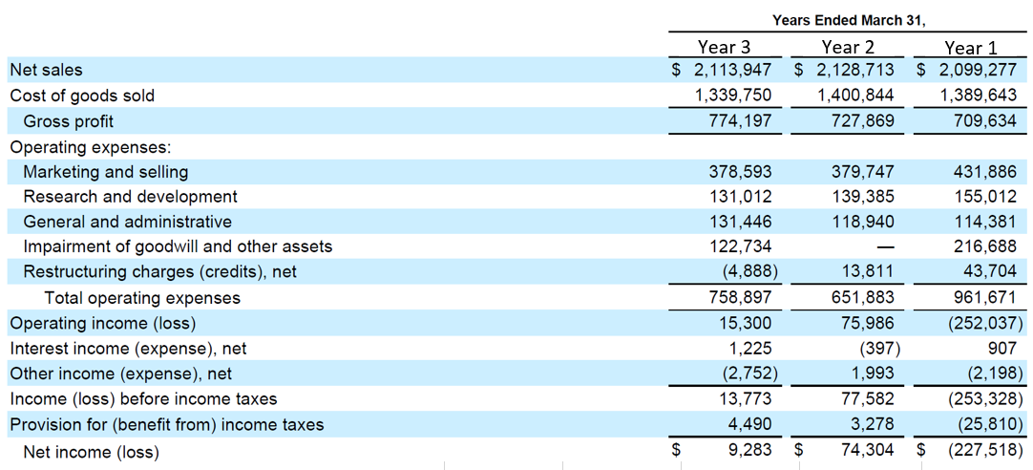

 |  | Year 3 | Year 2 | Year 1
 | Operating income as reported | 15,300.0 | 75,986.0 | (252,037.0)
 | Impairment | 122,734.0 | 0.0 | 216,688.0
 | Restructuring | (4,888.0) | 13,811.0 | 43,704.0
 | EBIT | 133,146.0 | 89,797.0 | 8,355.0
 | Depreciation | 41,304.0 | 48,967.0 | 51,766.0
 | Amortization | 8,361.0 | 17,771.0 | 23,571.0
 | EBITDA | 182,811.0 | 156,535.0 | 83,692.0

End

